Sheet1
Practical on Docker

1> Launch an Instance and connect it (in example : Ubuntu OS and without Key pair)

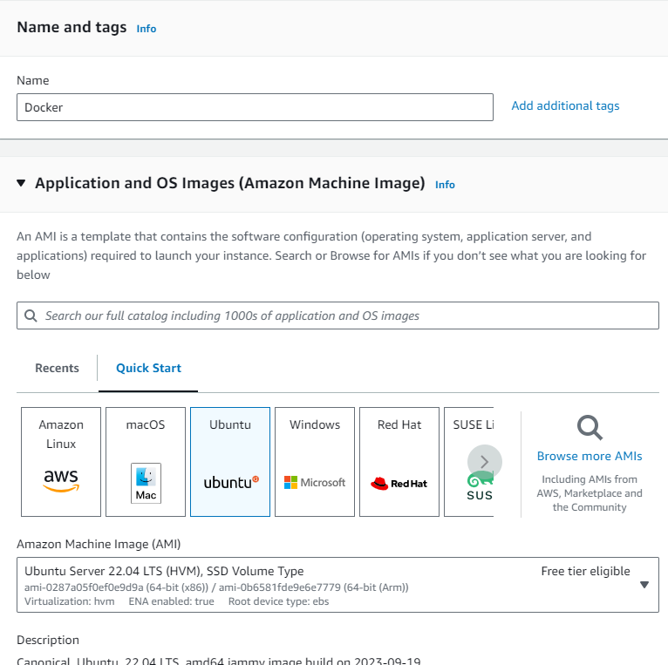

 |  |  |  |  | Name : Docker

 |  |  |  |  | OS : Ubuntu

 |  |  |  |  |  |  | Without Key pair

 |  |  |  |  |  |  | Launch Instance

Connect it :

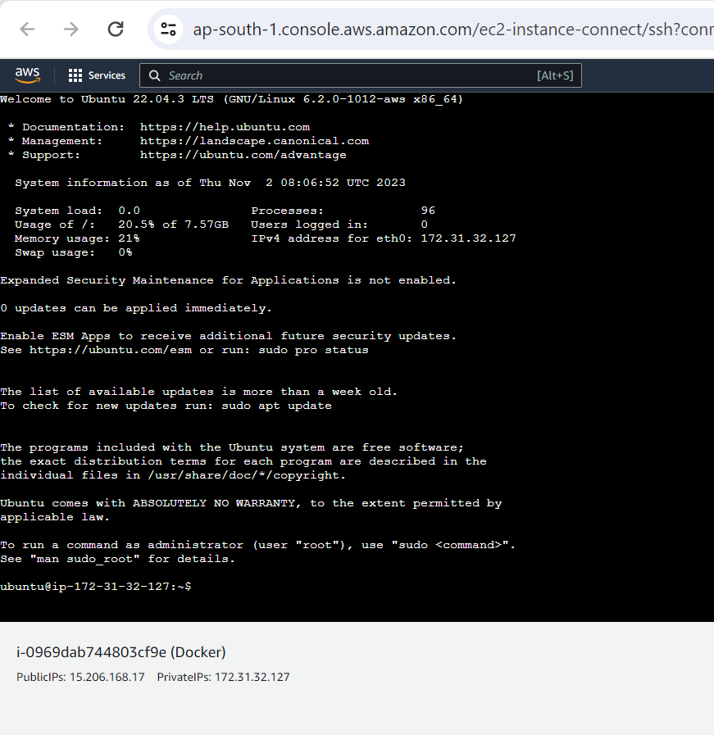

2> Open Docker Hub and login (Search in Google)

Direct Link : https://hub.docker.com/

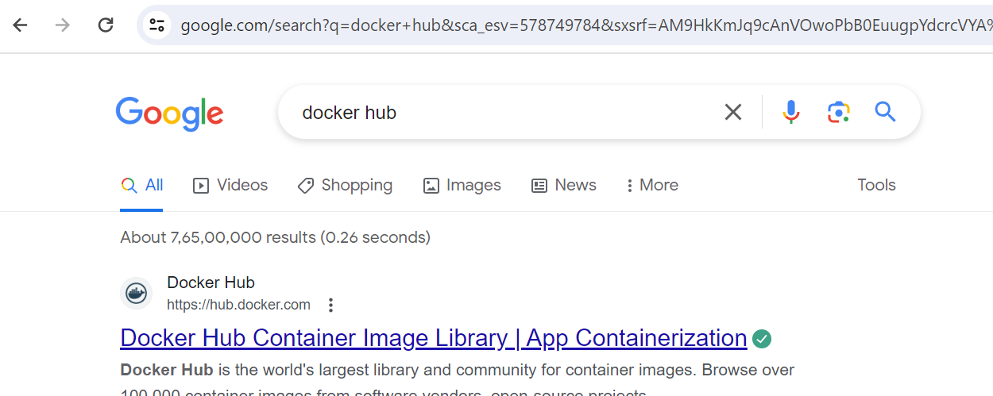

manishabhishek10011987

Login to Docker

> We can search for any OS here :

> Examples below:

Under these Images only we can create containers (under 1 image we can create multiple containers)

> Without Images, containers can not be created in Dockers.

Docker is a Client Server Architecture

> We can pull the containers using command line

3> Update Instance Docker (Ubuntu)

sudo apt-get update

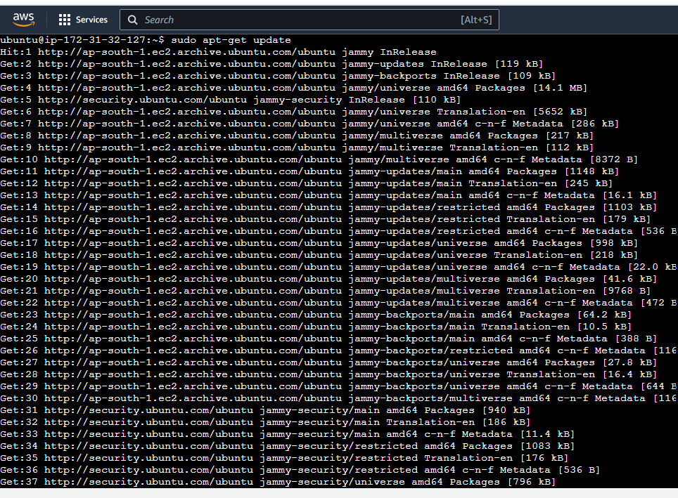

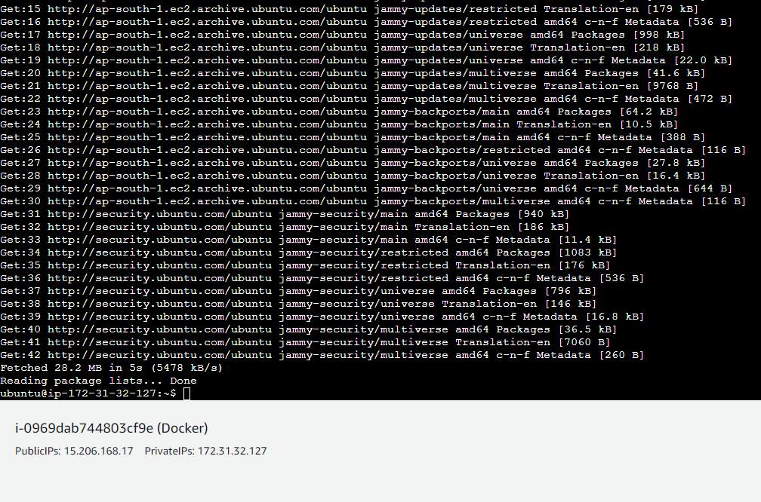

4> Goto root user and install Docker

sudo su to go to root user

apt-get install docker.io |  | To install docker

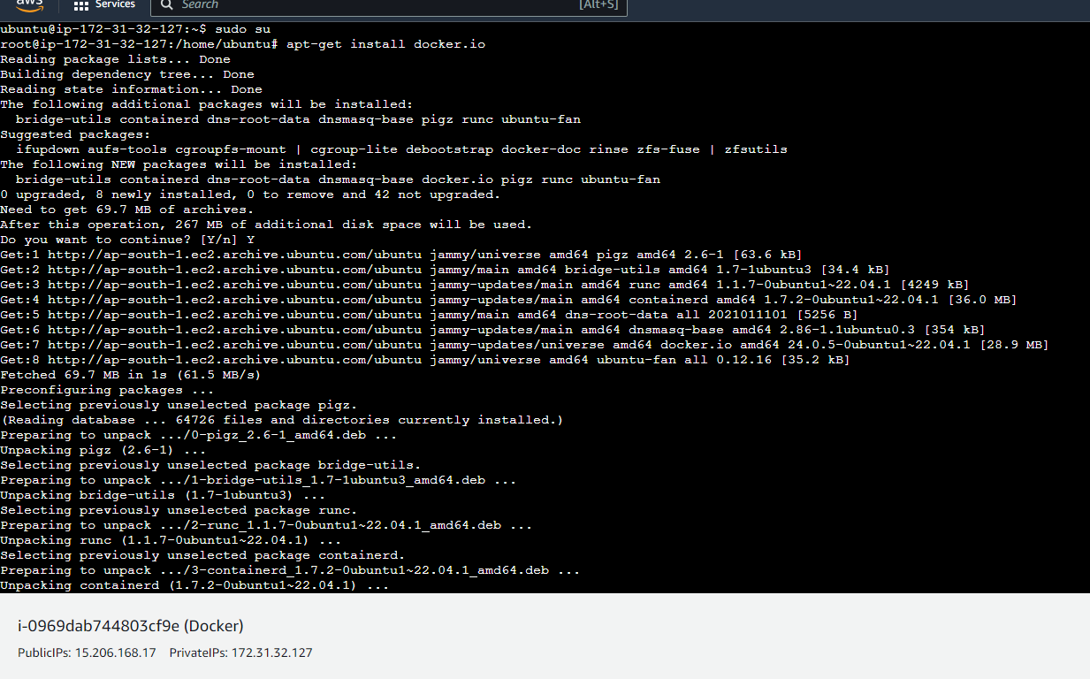

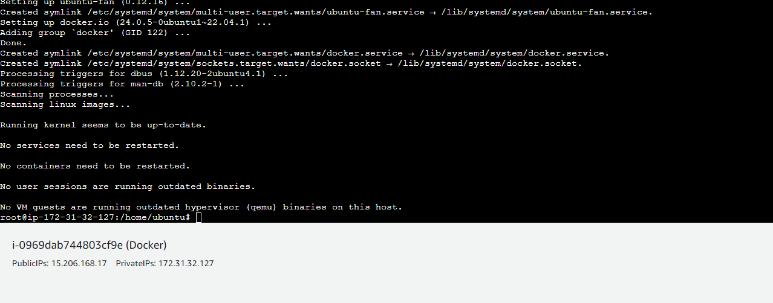

5> Check docker version : docker --version

6> Pull 1 Image in which we can create containers (example httpd image)

Example : httpd image

 | Goto Docker and search for httpd and copy the command : docker pull httpd

 | Paste the command in Ubuntu Server root user

Just for example pulling nginx also

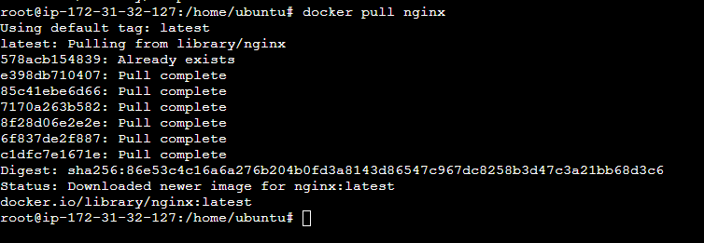

7> Check docker images : command docker images

Under these images we can create n number of containers

8> Create Containers in Docker Image

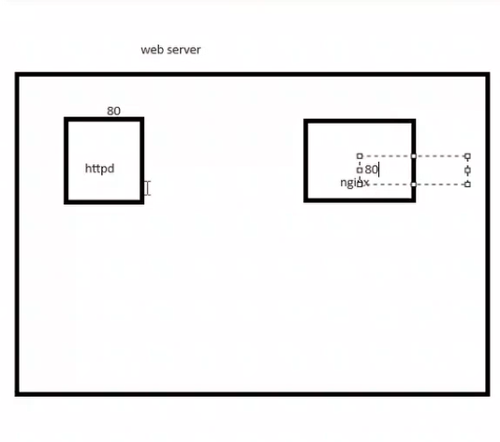

 |  |  | Be careful with port numbers, if 2 applications run on same port number like httpd (80) and nginx (80) then conflict will be there

 |  |  | Example : If we have 1 Application in httpd and we have another application in nginx (both run on port 80), there will be conflict

 |  |  | So we have to change the port number

 |  |  | docker run -itd --name newcont -p"1999:80" httpd

 |  |  |  | > --name name of container
 |  |  |  | > -p for port
 |  |  |  | > "1999 - New Port
 |  |  |  | > 80" new port
 |  |  |  | > httpd -> image name in which we want to create and change port number
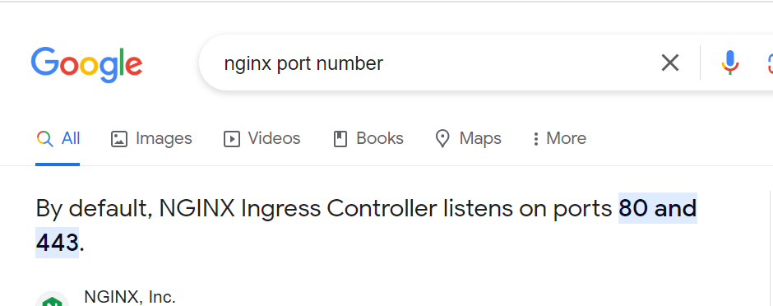
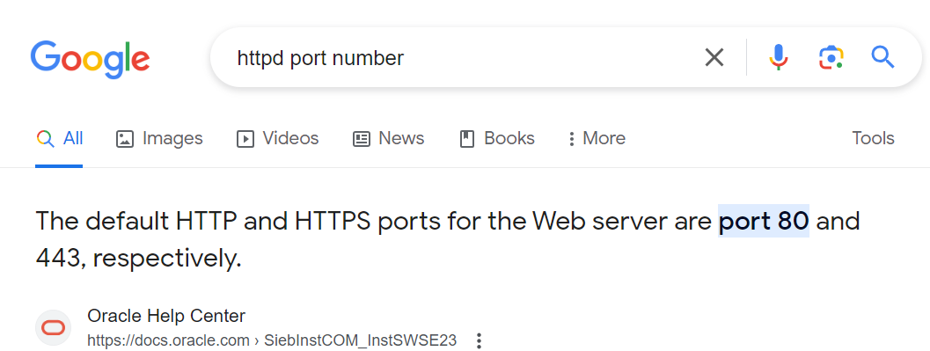

docker run -itd --name newcont -p"1999:80" httpd

 |  |  |  |  | Container is created

9> Check the container -> docker ps command

10> Create another container in nginx

docker run -itd --name newcont2 -p"2000:80" nginx

 |  |  |  |  |  | New Container created under nginx with port 2000

Check with command docker ps

